Hoja1
Deprecated

New

Log in page deleted

Instead of log in page a temporal home page with three types of users (each user with different default data)
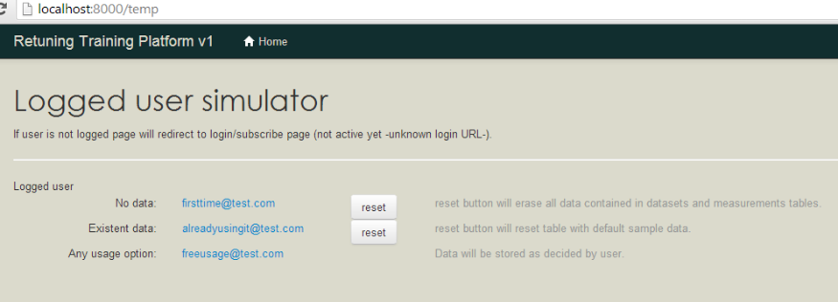
If no logged user navigation bar hides links

Datasets page (new)

New table layout

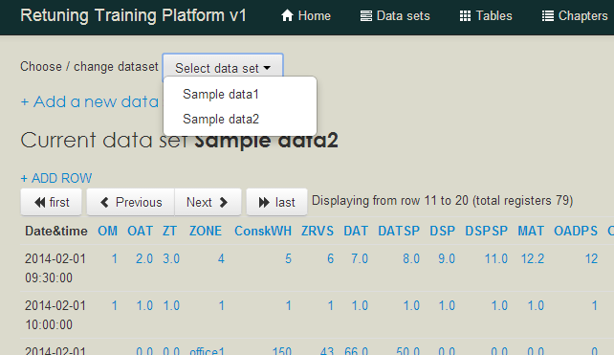
A new data set can be easily created
User can easily change a different dataset

Current data set

Go to first page
Previous / next page
Total registers (useful when importing)
Go to last page

 | Chapters and charts are as previous version, excepting that user must choose a dataset first
 | (same select list as shown on the new table layout screenshot)

